Sheet1
 |  | nopCommerce Bug Tracking Report

Bug ID | Bug Title | Module | Severity | Preconditions | Steps to Reproduce | Expected Result | Actual Result | Attachment | Status
BUG_01 | Verify product count matches selected Display option | Category Page | Medium | Category page should be open | 1) Open category page 2) Select Display = 6 from dropdown 3) Observe displayed products count | 6 products should be displayed on the page | Only 3 products were displayed after selecting Display = 6 | 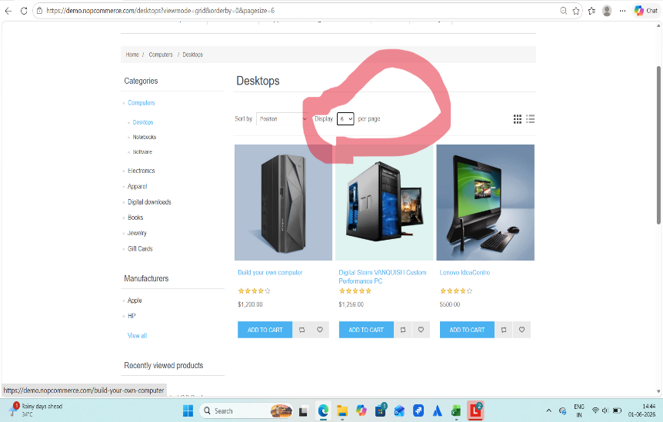 | Open
BUG_02 | Verify uploaded custom image alignment on T-Shirt preview | Custom T-Shirt | Medium | User on the Custom T-Shirt page and an image is uploaded | 1) Open Custom T-Shirt page2) Upload a custom image3) Place the image on the T-Shirt4) Observe the preview of the T-Shirt | Image should be displayed properly within the T-Shirt print area | Uploaded image appears misaligned and does not fit properly within the T-Shirt print area |  | Open

